1. Title Page
[Market Strategy Analysis]

Project Name: Instacart Market Startegy Analysis
Date: 22-04-2022
Analyst Name: Keshav Dewan

Contents:
Population Flow
Consistency checks
Wrangling steps
Column derivations
Visualizations
Recommendations

Data Source
“The Instacart Online Grocery Shopping Dataset 2017”

Accessed from https://www.instacart.com/datasets/grocery-shopping-2017 on 3/13/2022

Project Summary
The Instacart stakeholders are most interested in the variety of customers in their database along with their purchasing behaviors. They assume they can't target everyone using the same methods, and they’re considering a targeted marketing strategy. They want to target different customers with applicable marketing campaigns to see whether they have an effect on the sale of their products.

Project Objective
We will be performing an initial data and exploratory analysis of some of their data in order to derive insights and suggest strategies for better segmentation based on the provided criteria.

2. Population Flow
Title page

Population flow

Exclusion flag
Condition: max_order <
Obervations to be removed:
Final total count of order_products_all:

Orders_products_combined
Orders_products_merged
Orders_products_all

Total: 32406041
Total: 32434489
Total: 32406036

1.) The grey boxes in the first row of the population flow represent the original data sets as they were when you downloaded them. In the Total fields you need to add the count of the rows when you imported the data set into Jupyter.
2.) The second row of boxes (coloured) represents the data sets after you manipulated them, e.g., removed missing values and duplicates. In the Total fields you need to add the count of the rows after conducting these operations. This offers a visual oveview of how the data flows throughout the data consistency checks.
3.) The third row, where also the arrows are coloured, represents the merges you performed between the datasets. In the Total fields you need to add the count of the rows in the merged datasets, so that you end up with the final dataset (in the red box). Keep in mind the final dataset should be without exclusions (based on the exclusion flag).

3. Consistency checks
 |  |  |  | Title page
Consistency checks

Dataset | Missing values | Missing values treatment | Duplicates
orders | 206209 values missing in days_since_prior_order column | Missing values kept as it is, as it displayed that the customer might be a new customer without any prior purchase record | NA
products | 16 values missing in product_name | Created new dataframe | 5 duplicates were found and addressed with new dataframe
orders_products_prior | NA | NA | NA
customers | NA | NA | NA
orders_products_merged | NA | Outlier prices such as 99999$ changed to NaN and maximum price set to 25$ | NA

4. Wrangling steps
 |  |  |  | Title page
Wrangling steps

Columns dropped | Columns renamed | Columns' type changed | Comment/Reason
eval_set |  |  | Deleted as column not required for analysis
Unnamed: 0 | orders_dow - order_day_of_week |  | Deleted as column not required for analysis
_merge | order_hour_of_day - order_time |  | Deleted as column not required for analysis
 | First Name |  | Changed to first_name
 | Last Name |  | Changed to last_name
 | Gender |  | Changed to gender
 | STATE |  | Changed to state
 |  | order_id | int changed to string
 |  | user_id | int changed to string

5. Column derivations
 |  |  |  | Title page

Column derivations and aggregations

In this tab you should add tables below that the frequences of flags/label variables that you produced after deriving them. NB: don't do this for continuous variables, only for flags.
Dataset | New column | Column/s it was derived from | Conditions
df_ords_products_merged | price_range | prices | If prices <=5 - low range product else if price > 5 and price <= 15 Mid-range product; else if price > 15 -high range; else - Not enough data
df_ords_products_merged | busiest_day | order_day_of_week | if value = 0; Busiest day elseif value = 4; Least busy else Regularly Busy
df_ords_products_merged | busiest_day | order_day_of_week | If value == 1: 'Busiest Days' elif value == 0: Busiest Days' elif value == 4: 'Slowest Days' elif value == 3: 'Slowest Days' else: ('Regularly busy')
ords_prods_merge | loyalty_flag | max_order | ords_prods_merge['max_order'] > 40, 'loyalty_flag'] = 'Loyal customer' ords_prods_merge.loc[(ords_prods_merge['max_order'] <= 40) & (ords_prods_merge['max_order'] > 10), 'loyalty_flag'] = 'Regular customer' ords_prods_merge.loc[ords_prods_merge['max_order'] <= 10 , 'loyalty_flag'] = 'New customer'
ords_prods_merge | spending_flag | mean_price | mean_price < 10 = 'Low spender' mean_price >= 10 = 'High spender'
ords_prods_merge | Customer Type | frequency | frequency > 20 = Non-frequent customer frequency <= 20 & frequency > 10 = Regular customer frequency <= 10 = Frequent customer
ords_prods_customers_merge | age_group | age | value in range (18, 25) - ("18-24") elif value in range (25, 35) : ("25-34") elif value in range (35, 45) : ("35-44") elif value in range (45, 55) : ("45-54") elif value in range (55, 65) : ("55-64") elif value in range (65, 75) : ("65-74") else: ("75+")
ords_prods_customers_merge | income | income_range | if value <= 25000: result ('0-025000') elif (value > 25000) and (value <= 50000): result ('025000 - 050000') elif (value > 50000) and (value <= 75000): result ('050000 - 075000') elif (value > 75000) and (value <= 100000): result ('075000 - 0100000') elif (value > 100000) and (value <= 150000): result ('100000 - 150000') elif (value > 150000) and (value <= 20000): result ('150000-200000') elif (value > 200000) and (value <= 300000): result ('200000 - 300000') elif (value > 300000) and (value <= 500000): result ('300000-500000') else: result ('500000+')
ords_prods_customers_merge | income_group | income | if (value > 0) and (value <= 75000): result('low_income') elif (value > 75000) and (value <= 150000): result.('middle_income') elif (value > 150000) and (value <= 300000): result('high_income') else: result('very_high_income')
ords_prods_customers_merge | parental_status | n_dependants | n_dependants <1, parental_status = non-parent; n_dependants >=1, parental_status = 'parent
ords_prods_customers_merge | department | department_id | value in ords_prods_customers_merge['department_id']: if value == 1: result.append('frozen') elif value == 2: result.append('other') elif value == 3: result.append('bakery') elif value == 4: result.append('produce') elif value == 5: result.append('alcohol') elif value == 6: result.append('international') elif value == 7: result.append('beverages') elif value == 8: result.append('pets') elif value == 9: result.append('dry goods pasta') elif value == 10: result.append('bulk') elif value == 11: result.append('personal care') elif value == 12: result.append('meat seafood') elif value == 13: result.append('pantry') elif value == 14: result.append('breakfast') elif value == 15: result.append('canned goods') elif value == 16: result.append('dairy eggs') elif value == 17: result.append('household') elif value == 18: result.append('babies') elif value == 19: result.append('snacks') elif value == 20: result.append('deli') else: result.append('missing')
ords_prods_customers_merge | day | order_day_of_week | for value in ords_prods_customers_merge['order_day_of_week']: if value == 0: result.append('Saturday') elif value == 1: result.append('Sunday') elif value == 2: result.append('Monday') elif value == 3: result.append('Tuesday') elif value == 4: result.append('Wednesday') elif value == 5: result.append('Thurday') else: result.append('Friday')
ords_prods_customers_merge | day_type | day | for value in ords_prods_customers_merge['day']: if (value == 'Saturday') or (value == 'Sunday') or (value == 'Friday'): result.append('Weekend') else: result.append('Weekday')
ords_prods_customers_merge | day_time | order_time | for value in ords_prods_customers_merge['order_time']: if value in range (6,12): result.append('Morning') elif value in range (12,17): result.append('Afternoon') elif value in range (17,22): result.append('Evening') else: result.append('Night')
ords_prods_customers_merge | customer_profile | age_group, income_group, department_id | ords_prods_customers_merge.loc[(ords_prods_customers_merge['age_group'].isin(['18-24','25-34'])) & (ords_prods_customers_merge['income_group'].isin(['low_income', 'middle_income'])) & (ords_prods_customers_merge['department_id'].isin([1, 4, 7, 15, 16, 19])) & (ords_prods_customers_merge['parental_status'] == 'non-parent'), 'customer_profile'] = 'Single Adult'

6. Visualizations
 |  |  |  |  | Title page

Visualisations

In this tab you should include all the visualtions from Exercises 4.9 and 4.10, alongside the questions from the project brief that they answer. Include any commentary on the relationship between different variables.


1. What are the busiest days of the week and hours of the day?
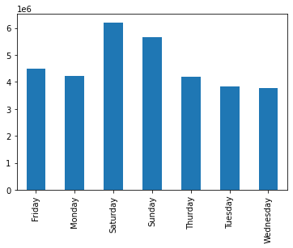
 |  |  |  |  |  | Observation: The bar charts displays the day wise orders and histogram displays the busiest time of orders for Instacart in a single day. With the bar chart, we can see that maximum orders are during the weekends i.e. Saturday followed by Sunday & Friday, the number of orders tend to go down during the middle of the week with lowest order numbers on Wednesday and Tuesday As per the histogram, the maximum execution of orders take place during the early morning time time i.e. around 10 am and the orders execution remains high till the evening time

 |  |  |  | order time

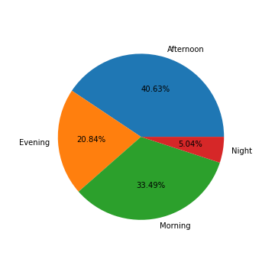
2. Are there particular times of the day people spend the most money?

 |  |  |  |  |  | Observation: The pie chart displays the time interval when maximum orders take place during the day. We can see from the pie chart that maximum order takes place during the afternoon time i.e. 12-17hours followed by the morning period of 7-12hours. The order execution starts increasing after 8 am and reaches its peak between 10 am and remains steady during the first half of the afternoon period till 3pm before steadily coming down to the evening time

 |  | Legend | Time (hours)
 |  | Morning | 6-12
 |  | Afternoon | 12-17
 |  | Evening | 17-22
 |  | Night | 22-6

3. Is there a way to use simpler price range groupings to help marketing and sales with their efforts?
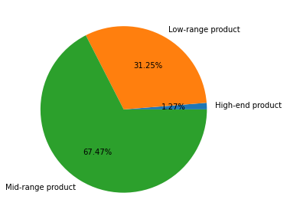
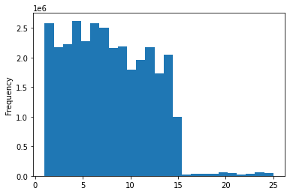
 |  |  |  |  |  | Observation: We have grouped the product range into three categories and shown here with the help of this pie chart. This pie chart clearly depicts that maximum available products begins with the mid range and low range product Further, the histogram shows different range of prices begining from 0$-15$

 |  | Legend | Product range ($)
 |  | Low | <= 5
 |  | Mid | 5-15
 |  | High | >15

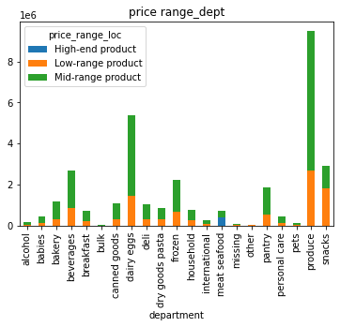
4. Are there certain types of products more popular than others? Which departments have the highest frequency of product orders?
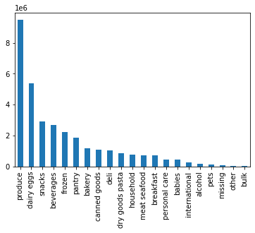
 |  |  |  |  |  | Observation: As per the bar chart, we observed that - Product, Dairy Eggs, Snacks, Beverages, Frozen etc. comprises maximum frequency of orders. These five departments have a more than 50% share in the total ordered products and have maximum of mid- and low range products

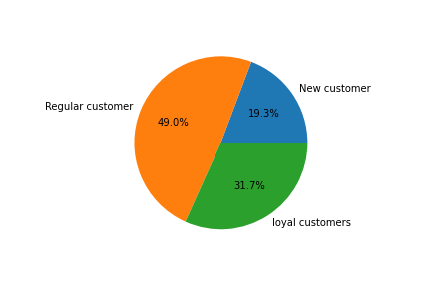
5a. What's the distribution among users in regard to their brand loyalty (i.e., how often do they return to Instacart?)
5b. Are there differences in ordering habits based on a customer’s loyalty status?
 |  |  |  |  |  |  |  |  |  | Observation: We have 3 types of charts here - pie chart & 2 stacked bar charts The pie chart displays the % (percentage) of customers and displays that maximum customers are regular with 49% followed by loyal customers with 31.7% The other bar chart shows the age wise loyalty among the customers and clearly shows that the regular and loyal customers are mostly within the age group of 25-65 age group The second bar chart shows that the middle income range people are the maximum and are mainly regular and loyal customers, this is followed by low_income range people
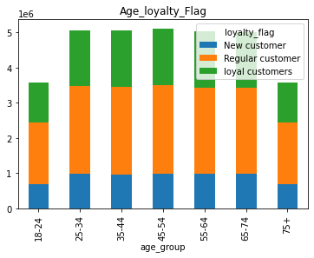
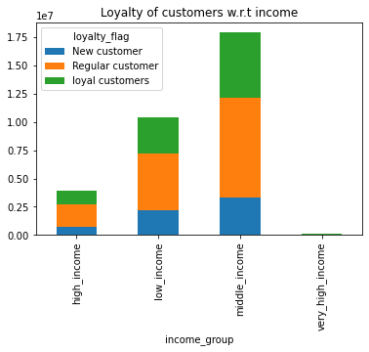

 |  |  |  |  |  |  |  | Legend - Income
 |  | Legend - Loyalty |  |  |  |  |  | Customer | Income Range ($)
 |  | Customer | Max Order |  |  |  |  | Low | 0-75000
 |  | New | 0-10 |  |  |  |  | Middle | 75000-150000
 |  | Regular | 11-40 |  |  |  |  | High | 150000-300000
 |  | Loyal | 40+ |  |  |  |  | Very High | 300000+

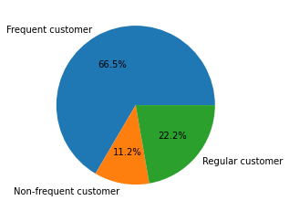
5c. Are there differences in ordering habits based on a customer’s region?
 |  |  |  |  |  |  |  |  |  | Observation: Most of the customers ordering from Instacart are Frequent customers (66.5%) followed by Regular customers. South region has the largest customer base followed by West and Midwest region South region has the maximum amount frequent customers followed by West region
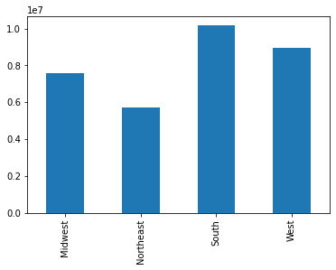
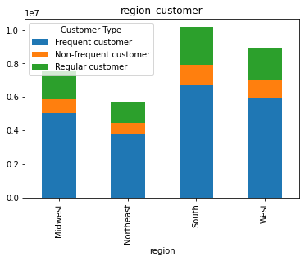

 |  | Legend - Frequency
 |  | Customer | Frequency
 |  | Frequent | <10
 |  | Regular | 10-20
 |  | Non-Frequent | >20

5d. Is there a connection between age and family status in terms of ordering habits?
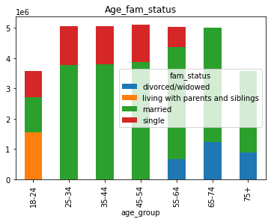
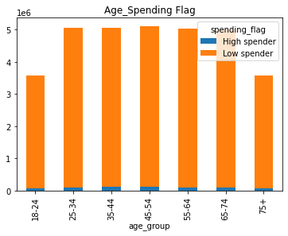
 |  |  |  |  |  |  |  |  |  | Observation: As per the stacked bar chart, age group of 25-75 does the maximum of orders, whereas age group of 45-55 has the maximum orders. Married people have the maximum ordering capacity among the customers surveyed followed by single customers Most of the regular customers are in the adult age group of 25-75 years Among all the age groups most of the customers are low spenders only

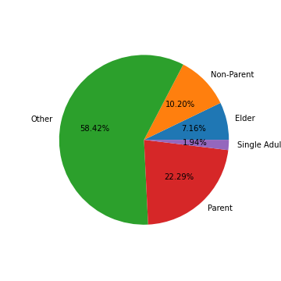
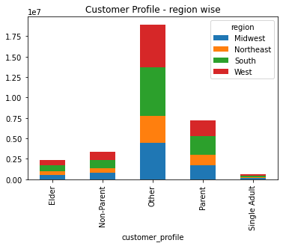
5e. What different classifications does the demographic information suggest? Age? Income? Certain types of goods? Family status?
 |  |  |  |  |  |  |  |  |  | Observation: Customer Profile has been divided into: - Single Adult - age group 18-34, adult with low to middle income, non-parent status - Parent - age group 25-64, adult with middle to high income, parent status - Non Parent adult - age group 25-64, adult with low to middle income, non-parental status - Elders - age group 65+, adult with middle to high income, parent - Others
 | Customer Profiles

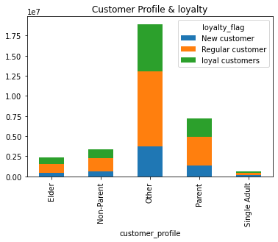

5f. What differences can you find in ordering habits of different customer profiles?

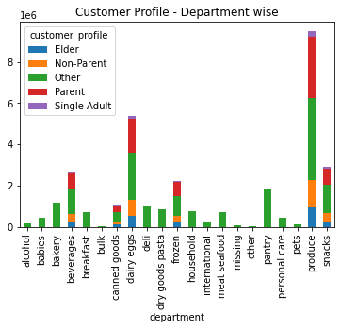
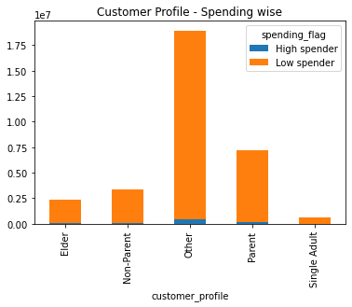
 |  |  |  |  |  |  | Observation: With the help of these bar charts, we figured out that these customers are mainly Low Spenders. Instacart primarily has regular customers that spend mainly on produce followd by dairy-eggs etc. Other profile remains the most active in terms of departmental spedings

7. Recommendations
 |  |  |  |  | Title page

Recommendations
Visualisations

In this tab you should include all the visualtions from Exercises 4.9 and 4.10, alongside the questions from the project brief that they answer. Include any commentary on the relationship between different variables.
In this tab you should include any recommendations you would made to Instcart in terms of their marketing strategy based on the questions posed in the brief. Every key question has been covered in the Tasks of the Exercises - here you need to add an item - a visualisation or table/crosstable that is showing the answer in the data, acompanied by a comment from you. Please, list the questions below and add the answer underneath.

1. What are the busiest days of the week and hours of the day?

 |  |  |  |  |  | Recommendation: Increase marketing mid-week Target customers during day time (10-3pm) Alcohol (37%) & Snacks (48%) sales are less during the weekends, so the marketing team should do more campaigns regarding these at the start of the weekend

 |  |  |  | order time

2. Are there particular times of the day people spend the most money?

 |  |  |  |  |  | Recommendation: Target single adult clientele

 |  | Legend | Time (hours)
 |  | Morning | 6-12
 |  | Afternoon | 12-17
 |  | Evening | 17-22
 |  | Night | 22-6

3. Is there a way to use simpler price range groupings to help marketing and sales with their efforts?

 |  |  |  |  |  | Recommendation: Maintain focus and bring more products of low-mid range

 |  | Legend | Product range ($)
 |  | Low | <= 5
 |  | Mid | 5-15
 |  | High | >15

4. Are there certain types of products more popular than others? Which departments have the highest frequency of product orders?

 |  |  |  |  |  | Recommendation: Bring meat & seafood under low range as well, in order to boost its sale Increase the number of 'high-end' products

5a. What's the distribution among users in regard to their brand loyalty (i.e., how often do they return to Instacart?)
5b. Are there differences in ordering habits based on a customer’s loyalty status?
 |  |  |  |  |  |  |  |  |  | Recommendations: A loyalty based programme should be started with offers for loyal customers New customers should be provided with different offers like referrals and cashback offers

 |  |  |  |  |  |  |  | Legend - Income
 |  | Legend - Loyalty |  |  |  |  |  | Customer | Income Range ($)
 |  | Customer | Max Order |  |  |  |  | Low | 0-75000
 |  | New | 0-10 |  |  |  |  | Middle | 75000-150000
 |  | Regular | 11-40 |  |  |  |  | High | 150000-300000
 |  | Loyal | 40+ |  |  |  |  | Very High | 300000+

5c. Are there differences in ordering habits based on a customer’s region?
 |  |  |  |  |  |  |  |  |  | Recommendations: Step up marketing in the Midwest and Northeast region Competition mapping - to understand where our product lacks and can do better

 |  | Legend - Frequency
 |  | Customer | Frequency
 |  | Frequent | <10
 |  | Regular | 10-20
 |  | Non-Frequent | >20

5d. Is there a connection between age and family status in terms of ordering habits?

 |  |  |  |  |  |  |  |  |  | Recommendations: Increase social media marketing to target young adult clientele

5e. What different classifications does the demographic information suggest? Age? Income? Certain types of goods? Family status?
 |  |  |  |  |  |  |  |  |  | Customer Profile has been divided into: - Single Adult - age group 18-34, adult with low to middle income, non-parent status - Parent - age group 25-64, adult with middle to high income, parent status - Non Parent adult - age group 25-64, adult with low to middle income, non-parental status - Elders - age group 65+, adult with middle to high income, parent - Others
 | Customer Profiles

5f. What differences can you find in ordering habits of different customer profiles?

 |  |  |  |  |  |  | Recommendations: Provide personalised advertisements Add a luxury segment in order to target high income groups

